9-13.Quality Attributes
9.Chemical Standard & Harmful Contamination
Test Item Depends on the products, different pesticides, heavy metals, chemicals should be monitord. Fill in the items to be monitored according to the likely risk of contamination ; Example : Cadmium in seaweed, Acidity in sushi ginger |  | EU MRL standard/Recommendation | Country of Origin MRL Standard | Test Frequency
Lead |  | <0.20mg/kg | ≤0.19mg/kg (GB 5009.12-2017) | twice a year
10.Acrylamide
Are Products at risk of acrylamide? |  |  |  |  | No
If Yes. What mitigation measures are in place to manage acrylamide levels with the food? |  |  |  |  | N/A
11.Radioactivity | *occurs naturally in all food and can be transferred into food in different ways eg crops from soil, drinking water from the earth, Fish and Shellfish from the water or Sea floor.
Has the product/ ingredient been irradiated? |  |  |  |  | No
Is the product/ ingredient subject to potential radioactive cross contamination? |  |  |  |  | No
If yes, what controls in place |  |  |  |  | N/A
Has the product/ ingredient been imported into the UK from a country that has high levels of radioactivity? |  |  |  |  | No
If Yes, how is this controlled and what checks are carried out? |  |  |  |  | N/A
12.Microbiology Standards | *Please insert GB standard
Micro-organisms | Type | EU Standard | Country of Origin Government Standard | Manufacturer Own Standard | Test Frequency
TVC | Quality Indicator |  | N/A | N/A | N/A | *please clarify by filling in how many samples per day/PO rather than by each lot
Escherichia coli | Hygiene indicator |  | N/A | N/A | N/A
Enterobacteriaceae | Hygiene indicator |  | N/A | N/A | N/A
Listeria spp | Hygiene indicator |  | N/A | N/A | N/A
Listeria monocytogenes | Pathogens |  | N/A | N/A | N/A
Campylobacter spp. | Pathogens |  | N/A | N/A | N/A
Escherichia coli O157 | Pathogens |  | N/A | N/A | N/A
Salmonella spp. | Pathogens |  | Not Detected (GB4789.4-2016) | Not Detected | twice a year
Shigella spp. | Pathogens |  | N/A | N/A | N/A
Vibrio cholera (O1 and O139) | Pathogens |  | N/A | N/A | N/A
Vibrio parahaemolyticus | Pathogens |  | N/A | N/A | N/A
Bacillus cereus | Pathogens |  | N/A | N/A | N/A
Bacillus spp. | Pathogens |  | N/A | N/A | N/A
Clostridium perfringens | Pathogens |  | N/A | N/A | N/A
Staphylococcus aureus and other coagulase-positive staphylococci | Pathogens |  | ≤10CFU/g (GB4789.10-2016) | ≤10CFU/g | every shipment
aerobic bacterial count |  |  | <106 CFU/g (GB4789.2-2016) | <106CFU/g | every shipment
coliform |  |  | <100CFU/g (GB4789.3-2016) | <100CFU/g | every shipment
13.Acceptance and Rejection standard
Standard Product Photo & Description |  | Rejected Product Photo& Description
IE. Grading, Sizing, Appearance, Flavor/taste, Texture, Colour, smell |  | IE. Grading, Sizing, Appearance, Flavor/taste, Texture, Colour, smell
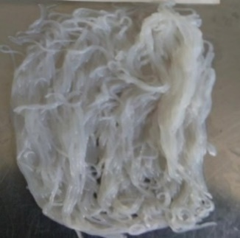 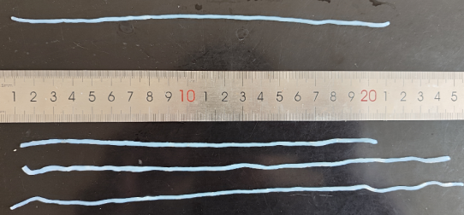 Colour: white or light yellow, with a few black or yellowish-brown spots Flavor/taste: Has the unique fishy smell, taste soft and a little bit chewy Noodles thickness: 1.8-2.2mm Noodles length: 15-25cm Solid content: ≥170g Net content: ≥270g |  | 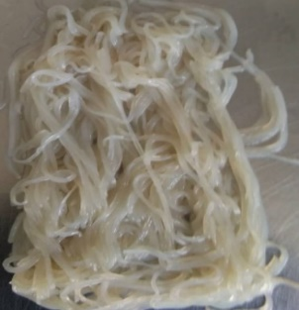 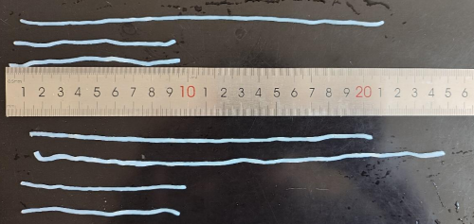 Too dark in colour, brownish. Solid content: <170g Net content: <270g Noodles length: ＜15cm

14-16.Quantity&packaging info
14.Quantity Attributes
 | Unit (g) | Case (kg) | Master case (kg)
Unit Drained Weight (If Product contains liquid) | 170 | 2.04 | 6.12
Net Weight | 270 | 3.24 | 9.72
Gross Weight | 274 | 3.548 | 11.30
Is the product packed in a Protective atmosphere? (if yes, indicate the composition on gases used if applicable) |  |  |  | No
Is the product vacuum packed? |  |  |  | No
Primary Package Plastic Material Comply with Commission Regulation (EU) No 10/2011 |  |  |  | Yes
15.Packaging Weight Dimensions & Container Maxi Load
 | Description/Color | Materials *please indicate the plastic material from below 01-07 | Weight (g) | Dimensions (mm)

Primary： | Plastic | PA PE Recycle (7+4) | 4 | L | 170
 |  |  |  | W | 250
 |  |  |  | H
Secondary: | Brown cardboard | Cardboard | 260 | L | 350
 |  |  |  | W | 190
 |  |  |  | H | 95 |  |  | 0.027144
Tertiary: | Brown cardboard | Cardboard | 660 | L | 580 | 25.4 | 22.83 | 957.85440613
 |  |  |  | W | 360 | 25.4 | 14.17
 |  |  |  | H | 130 | 25.4 | 5.12
20FCL Max Load without palletized | #DIV/0!
40FCL Max Load without palletized | #DIV/0!

16.Pallet Configuration
 | UK Pallet Configuration (1.0m x 1.2m) | EU Pallet Configuration (0.8m x 1.2m)
Cases per layer | 5 | 4
Number of layers | 13 | 13
Cases/pallet | 65 | 52
Pallet height (m) | 1.69 | 1.69
Pallet weight (kg) | 734.8 | 587.8
Pallet Top-View | 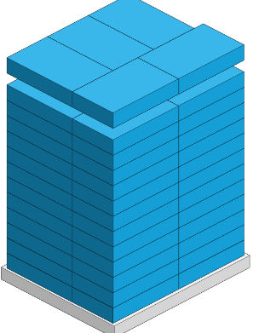
*pallet height must lower than 1.75m & gross weight under 1000kg

17-20.HACCP,Artwork&SpecAuthor.
17.Process Flow Chart- (showing all CCPs)
Please provide in the form a Critical Control Point (CCP), a description of the process/packing operations including processing times tempuratures where applicable and in process Safery Control Checks (CCP Summary) and Quality Checks.
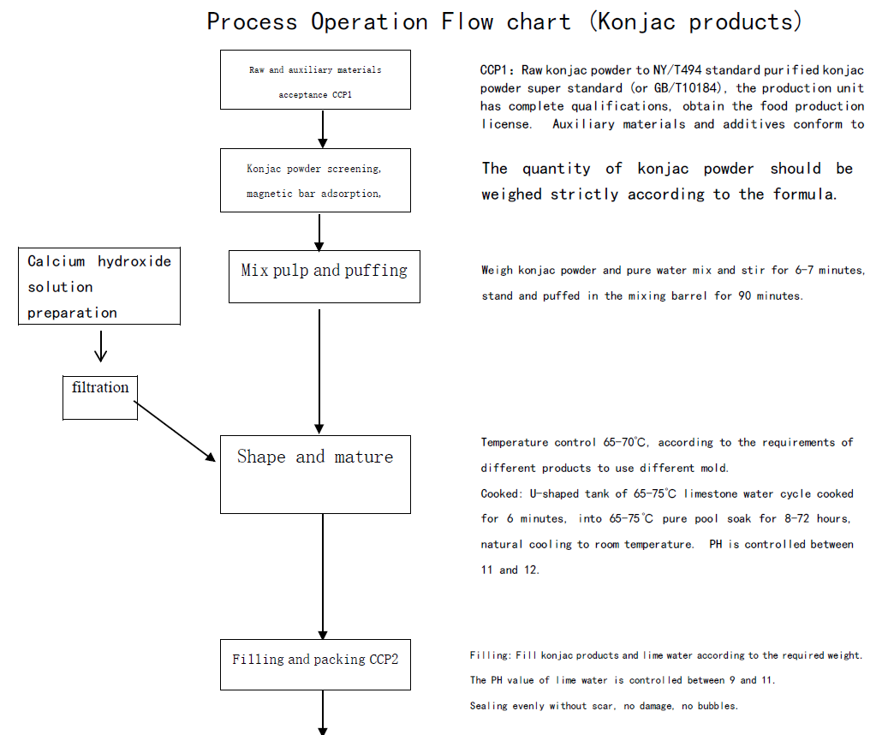 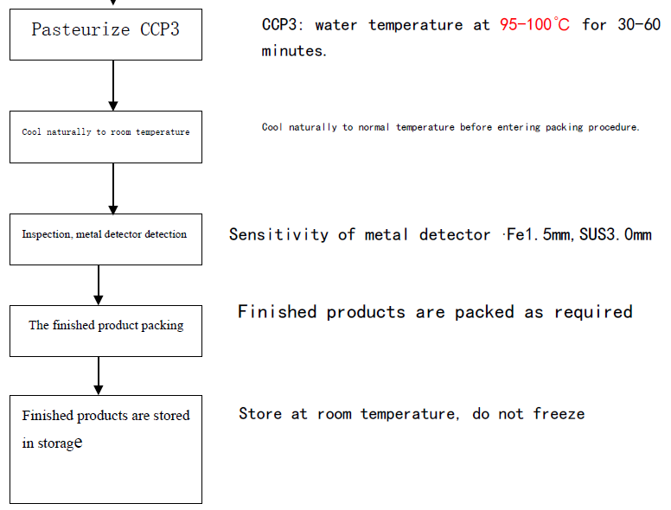 *please insert HACCP plan of product
18.Critical Control Points
CCP | Control Measure |  | Critical Limit | Monitoring Frequency
CCP1 Raw material received | GB/T10184 |  | GB/T10184 | Each batch
CCP2 Filling & Packing | pH Sealing machine |  | PH：11.5～11.9 | Every hour
CCP2 Sterilization | Temperature |  | in 85-90℃, 30mins | Each batch
CCP3 metal detector | Metal detector |  | Fe1.5mm, SUS3.0mm,NON-Feφ4.0㎜(≥ this range is detected) | 30mins
19.Artwork
Inner Label / Package Design artwork |  | Outer Label / Package Design artwork
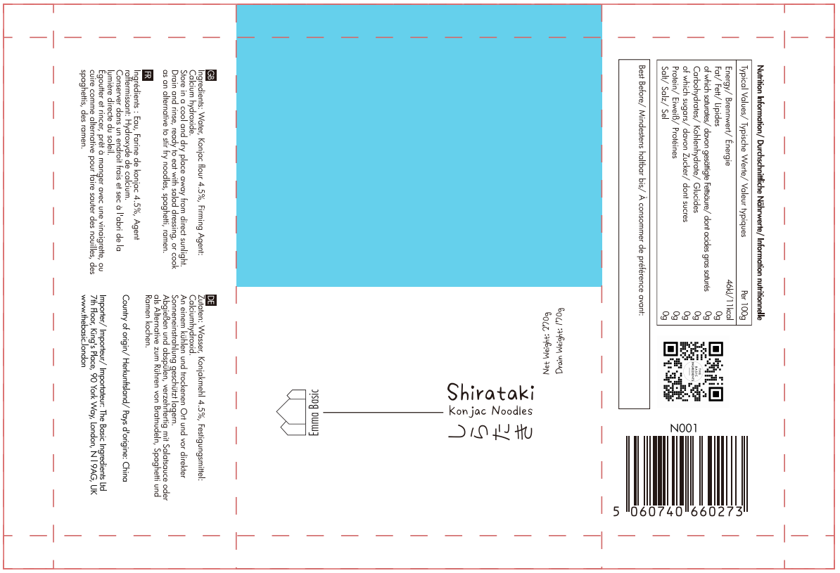 |  | 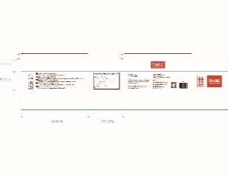

20.Packaging Photos
Finished Product with Primary package | Outer Case (Secondary) |  | Tertiary
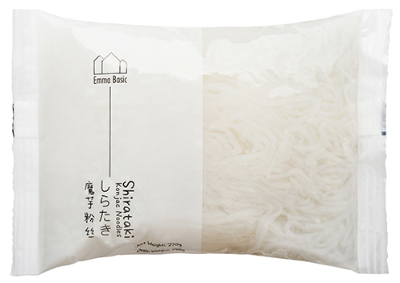 |  |  | 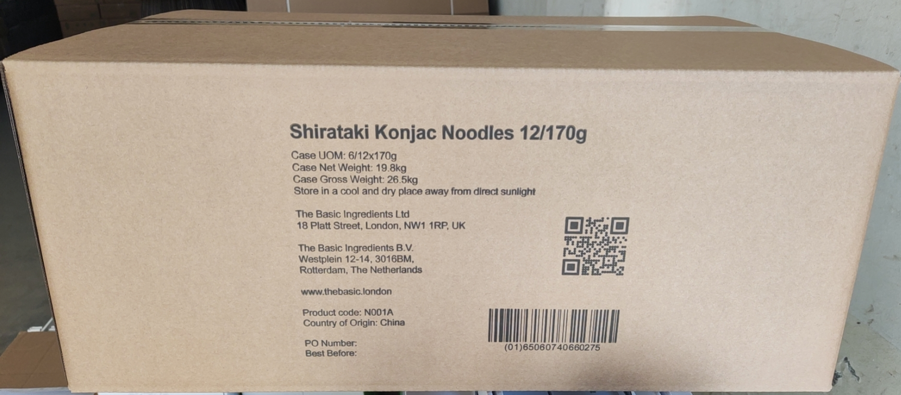
Specification Authorization
1.Product to be supplied in accordance with this agreed specification. No changes are to be made without prior knowledge and prior written agreement of The Basic Ingredients Ltd. 2.The contents of this specification are confidential and should not be disclosed to a third party without a written approval of The Basic Ingredients Ltd. 3. Product must be fit for purpose of the nature and substance stated in this specification and free from foreign body. 4. The raw materials used in this product fulfil the requirements described in the Regulation 1881/2006/EC related to contaminants in foodstuffs, the Regulation 396/2005/EC related to pesticides in foodstuffs, and their amendments. 5. The product has not been treated with ionising radiation and does not contain any irradiated ingredients- Regulated under Directive 1999/2/EC and Directive 1999/3/EC. 6. This product does not contain ingredients that contain GMO or consist of GMO or were produced from GMO - Regulated under Regulation (EC) No 1829/2003, Regulation (EC) No 1830/2003, and their amendments. 7. Products to be delivered using suitable transport in the stated conditions (i.e. ambient, chilled, frozen). 8. The information on this specification can be used without reservation to advise customers with food allergies, intolerances or aversions, especially those who may die from an anaphylactic reaction to traces of ingredients. 9. All materials intended to come into contact with foods complies with European regulations: Regulation (EC) No. 1935/2004, Regulation (EC) No. 2023/2006, Regulation (EU) No. 10/2011, Directives 82/711/EEC, 85/572/EEC, 2002/72/EEC (and the relevant amendments).
Manufacturer Name | SHANDONG HEARUN DIETARY HALL CO.,LTD
Signature | 林银银
Print Name
Position in Company | Director of Quality Control Project Department
Date | 2024.08.28

For and on behalf of The Basic Ingredients Ltd:
Signature
Print Name | Nancy Deng
Position in Company | Technical Account Manager
Date | 2024-08-28

FAQs
Does the above have to be heated before eating? Instructions not clear
Answer : | Kuobo san to fill in after re-fresh training
Answer : | Yes, all Emma Basic Konjac products are vegan-friendly. They are made from the konjac plant, making them a plant-based, cruelty-free option.

Are they gluten-free?
 | Answer: | Yes! Emma Basic Shirataki Konjac Noodles are 100% gluten-free and suitable for people with coeliac disease or gluten intolerance.There is no gluten handled in the manufacturer where Emma Basic Shirataki Konjac Noodles are produced.

 | No, there is no oat or oat fibre in Emma Basic Shirataki Konjac Noodles. It is therefore suitable for people who are allergic or intolerant to gluten, who have been diagnosed with coeliac disease. Coeliac disease is a condition where your immune system attacks your own tissues when you eat gluten.
Answer :
What are Shirataki Konjac Noodles made from?
Answer: | Emma Basic Shirataki Noodles are made from konjac flour, derived from the root of the konjac plant (also called elephant yam).

Are these noodles keto-friendly?
Answer: | Yes! Shirataki Konjac Noodles are virtually zero net carbs, making them perfect for keto, low-carb, paleo, and diabetic-friendly diets.

Do they have any taste?
Answer: | No, the noodles themselves are neutral in flavour, so they easily absorb the taste of any sauce, broth, or seasoning you cook them with. Some people detect a mild natural konjac aroma when opening the pack — simply rinse and drain well before cooking.

Hw do I prepare Shirataki Konjac Noodles?
Answer: | 1. Drain the liquid from the pack.2. Rinse the noodles well under cold water for 2 minutes, drain. Optional: Blanch in boiling water for 1 minute.3. Add your favourite sauce, stir-fry, or soup — done!

Do need to refrigerate them?
Answer: | Unopened packs can be stored at room temperature in a cool, dry place. Once opened, keep them in the fridge in clean water and use within 2–3 days.
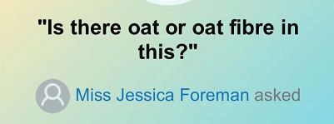
How many calories per serving?
Answer: | Typically, Shirataki Noodles have less than 10 calories per 100g serving — perfect for calorie-conscious meal plans.

Are there any additives or preservatives?
Answer: | No , Emma Basic noodles are made with just purified water, konjac flour, and a small amount of food-grade firming agent :calcium hydroxide ( Food processing aid).

Can children eat these noodles?
Answer: | Yes! They’re safe for the whole family — just make sure to supervise young children while eating, as they can be a bit slippery.

How can I use Shirataki Noodles in recipes?
Answer: | They’re super versatile — try them in:Stir-fries/Noodle soups/Salad/Spagehetti alternatives/Keto Ramen

Are Emma Basic Konjac noodles suitable for people with diabetes?
Answer: | Yes, Konjac noodles have a very low glycemic index, making them a good choice for people with diabetes. However, it's essential to consult with a healthcare professional for personalised dietary advice.

